Tabelle1
 | Put your data into the green cells, the rest is calculated, if necessary you can extend the columns
 | log(agonist) vs. response -- Variable slope (four parameters) |  |  |  |  |  |  |  |  | Data > Solver
 | Y=Bottom + (X^Hillslope)*(Top-Bottom)/(X^HillSlope + EC50^HillSlope)
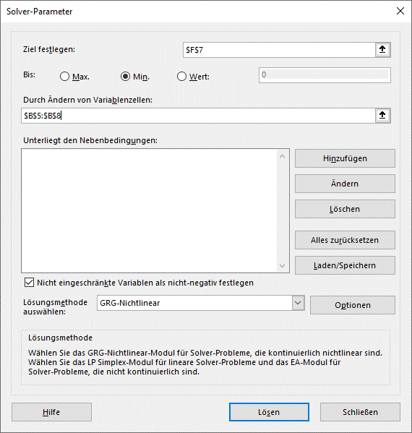
bottom | 0 |  |  |  | Sum of squared residuals (SSres): | Sum of squares total (SStot):
Hillslope | 0.81598092298 | mean measured y |  |  | sum of (fitted - measured)2: | sum of (mean - measured)2
Top | 89.199142702 | 42.2617 |  |  | 12.88988 | 7793.0340833 |  | R2 = 1.0 - (SSres/SStot)
EC50 | 444.54163863 |  |  |  |  |  |  | 0.99834597371 | R2
 | dose ng/ml | response measured | resp_fitted | fitted-measured | (fitted-measured)2 | ( mean - measured)2
 | 100000 | 90 | 88.13768 | -1.86232 | 3.46822 | 2278.9484694
 | 10000 | 80 | 82.68094 | 2.68094 | 7.18745 | 1424.1818028
 | 1000 | 60 | 58.83601 | -1.16399 | 1.35486 | 314.64846944
 | 100 | 20 | 20.37352 | 0.37352 | 0.13951 | 495.58180278
 | 10 | 3 | 3.85911 | 0.85911 | 0.73808 | 1541.4784694
 | 1 | 0.57 | 0.61196 | 0.04196 | 0.00176 | 1738.1950694

 |  |  |  |  |  |  | smoothed fitted curve
 |  |  |  |  |  |  | dose | fitting curve
 |  |  |  |  |  |  | 1 | 0.61196253662
 |  |  |  |  |  |  | 1.50 | 0.84965981447
 |  |  |  |  |  |  | 2.25 | 1.1784548085
 |  |  |  |  |  |  | 3.38 | 1.632133945
 |  |  |  |  |  |  | 5.06 | 2.2559930624
 |  |  |  |  |  |  | 7.59 | 3.1098444482
 |  |  |  |  |  |  | 11.39 | 4.2709874721
 |  |  |  |  |  |  | 17.09 | 5.8362827083
 |  |  |  |  |  |  | 25.63 | 7.9217409248
 |  |  |  |  |  |  | 38.44 | 10.657123386
 |  |  |  |  |  |  | 57.67 | 14.172337688
 |  |  |  |  |  |  | 86.50 | 18.572850205
 |  |  |  |  |  |  | 129.75 | 23.904384807
 |  |  |  |  |  |  | 194.62 | 30.113825751
 |  |  |  |  |  |  | 291.93 | 37.021695224
 |  |  |  |  |  |  | 437.89 | 44.325410769
 |  |  |  |  |  |  | 656.84 | 51.643861412
 |  |  |  |  |  |  | 985.26 | 58.592891676
 |  |  |  |  |  |  | 1477.89 | 64.862047136
 |  |  |  |  |  |  | 2216.84 | 70.262101535
 |  |  |  |  |  |  | 3325.26 | 74.731226356
 |  |  |  |  |  |  | 4987.89 | 78.309112731
 |  |  |  |  |  |  | 7481.83 | 81.098109807
 |  |  |  |  |  |  | 11222.74 | 83.227299982
 |  |  |  |  |  |  | 16834.11 | 84.827045695
 |  |  |  |  |  |  | 25251.17 | 86.014646409
 |  |  |  |  |  |  | 37876.75 | 86.888444359
 |  |  |  |  |  |  | 56815.13 | 87.52714043
 |  |  |  |  |  |  | 85222.69 | 87.991748838
 |  |  |  |  |  |  | 127834.04 | 88.328538118

